Sheet1
 |  | Document No. | Issue No. | Issue Date |  | Review and Replace Date |  | Authorised By
 |  | GFF211MC | 1 | 10.09.2020 |  | New Issue
 |  | Document Title | MUGHLAI LAMB 350g
 |  |  |  |  |  |  |  | Magda Shah
Document amendments reason for change |  | New Product Launch | Page 1 of 1 |  | Previous Issue Date |  | New Issue | Uncontrolled copy unless signed original

CLMUG-R4TCC | CHEFS CREATION |  | MUGHLAI LAMB 350g | CHILLED
STEP 1 |  |  |  |  | STEP 2
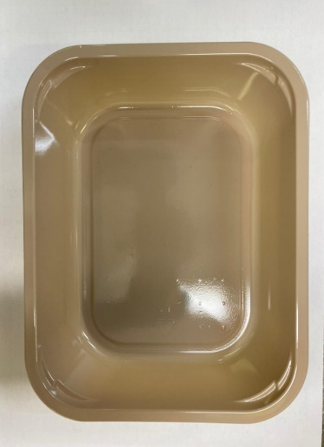 |  |  |  |  | 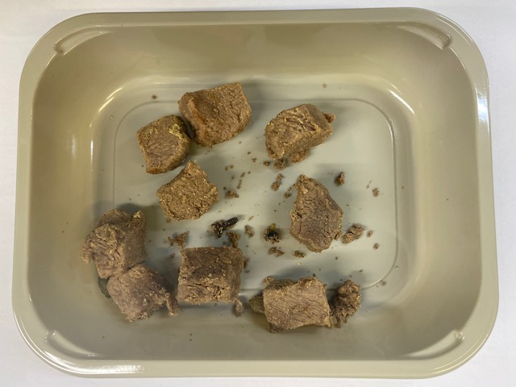

Tray: EVOLVE CPET 2200-1E (PKRHP001-08) |  |  |  |  | Cooked Diced Lamb (CC) (GFF322R): 70g
Line 1: Mylar 250LAF 250mm x 1000 (PKWRA001-08)
Line 1: K-Peel 75G + AF 25 250mm (PKKMP001-01)
Line 2: Mylar 25OLAF - 380mm wide (PKWRA001-02)
STEP 3 |  |  | STEP 4 |  |  |  | STEP 5
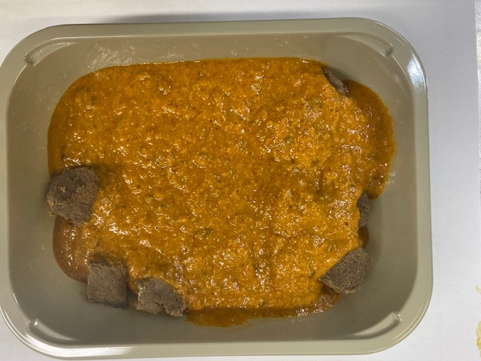 |  |  | 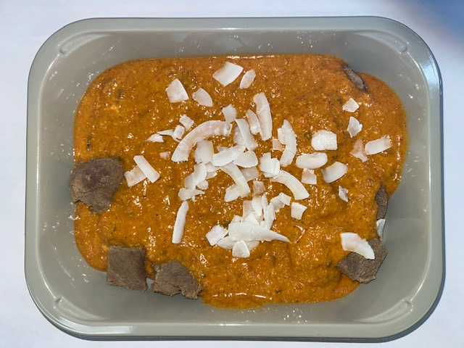 |  |  |  | 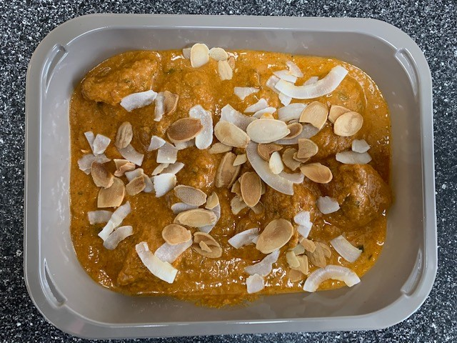

Nawabi Curry (CC) (GFF321R): 270g |  |  | Raw Coconut Chips (RMKLU001-05): 5g |  |  |  | Roasted Almond Flakes (CAT 1) (RMLKU001-06): 5g
70g + 270g = 340g |  |  | 340g + 5g = 345g
 |  |  |  |  |  |  | TOTAL WEIGHT: 350g
ALLERGY ALERT: BARLEY, MILK, NUTS

